Sheet1
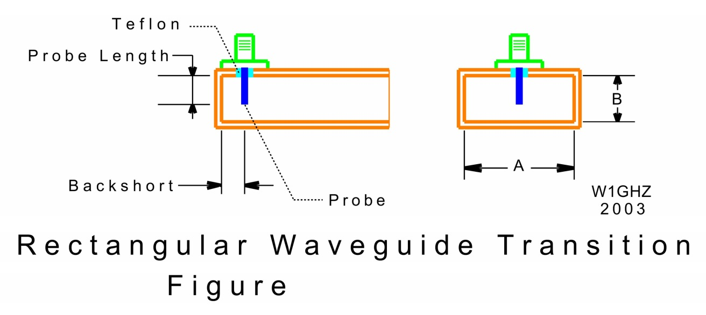
 | Rectangular Waveguide to Coax Transitions
 |  |  |  |  | W1GHZ | 2006, | 2021

 | P. Wade, W1GHZ, “Rectangular Waveguide to Coax Transition Design,” QEX, Nov/Dec 2006, pp. 10-17.
 | (available at www.w1ghz.org, QEX/Rectangular_Waveguide_to_Coax_Transition_Design.pdf)

 | Waveguide dimensions |  |  |  |  |  |  | Probe dimensions

WG | Fcutoff | Fmin | Fmax | A | B |  | Freq | dia | len | backshort | Bandwidth | dia | len | backshort
WR- | GHz | GHz | GHz | mm | mm |  | GHz | mm | mm | mm |  | inches | inches | inches

75 | 7.87 | 10 | 15 | 19.05 | 9.53 |  | 10.368 | 1.27 | 5.49 | 5.26 | 14% | 0.050 | 0.216 | 0.207 | 4
90 | 6.56 | 8.2 | 12.4 | 22.86 | 10.16 |  | 10.368 | 1.27 | 5.89 | 5.46 | 7% | 0.050 | 0.232 | 0.215 | >5
112 | 5.26 | 7.05 | 10 | 28.5 | 12.62 |  | 10.368 | 1.27 | 6.5 | 6.6 | 15% | 0.050 | 0.256 | 0.260 | 1
112 |  |  |  |  |  |  | 5.76 | 1.27 | 8.8 | 9.8 | 7% | 0.050 | 0.346 | 0.386
137 | 4.3 | 5.85 | 8.2 | 34.84 | 15.8 |  | 5.76 | 1.27 | 10.5 | 8.5 | 10% | 0.050 | 0.413 | 0.335 | 1
159 | 3.71 | 4.9 | 7.05 | 40.39 | 20.19 |  | 5.76 | 1.27 | 11.17 | 10.0 | 11% | 0.050 | 0.440 | 0.394 | 1
159 |  |  |  |  |  |  |  | AWG#12 | 10.9 | 10.0 | 14% | 0.081 | 0.429 | 0.394
187 | 3.15 | 3.95 | 5.85 | 47.55 | 22.15 |  | 5.76 | 2.36 | 11.3 | 11.0 | 16% | 0.093 | 0.445 | 0.433 | 1
187 |  |  |  |  |  |  | 5.76 | SMAto2.36 | 11.6 | 9.7 | 16% | 0.093 | 0.457 | 0.382
187 |  |  |  |  |  |  | 5.76 | AWG#12 | 11.3 | 11.2 | 14% | 0.081 | 0.445 | 0.441
187 |  |  |  |  |  |  | 3.456 | 2.36 | 14.5 | 18.0 | 5% | 0.093 | 0.571 | 0.709 | 1
187 |  |  |  |  |  |  | 3.456 | SMAto2.36 | 15 | 16.5 | 5% | 0.093 | 0.591 | 0.650
187 |  |  |  |  |  |  | 3.456 | AWG#12 | 14.9 | 17.4 | 7% | 0.081 | 0.587 | 0.685
229 | 2.58 | 3.3 | 4.9 | 58.17 | 29.08 |  | 3.456 | 1.27 | 18.2 | 15.0 | 8% | 0.050 | 0.717 | 0.591
229 |  |  |  |  |  |  | 3.456 | AWG#12 | 17.7 | 15.1 | 10% | 0.081 | 0.697 | 0.594
229 |  |  |  |  |  |  | 3.456 | 2.36 | 17.4 | 15.06 | 11% | 0.093 | 0.685 | 0.593
229 |  |  |  |  |  |  | 3.456 | 3.175 | 17 | 15.6 | 11% | 0.125 | 0.669 | 0.614
229 |  |  |  |  |  |  | 3.456 | 4.76 | 16.2 | 16.2 | 14% | 0.187 | 0.638 | 0.638
229 |  |  |  |  |  |  | 3.456 | 6.35 | 15.5 | 16.75 | 17% | 0.250 | 0.610 | 0.659
284 |  |  |  |  |  |  | 3.456 | 6.35 | 17.5 | 17.8 | 23% | 0.250 | 0.689 | 0.701
284 |  |  |  |  |  |  | 3.456 | AWG#12 | 19 | 17.5 | 11% | 0.081 | 0.748 | 0.689
284 | 2.08 | 2.6 | 3.95 | 72.14 | 34.04 |  | 2.304 | 6.35 | 20 | 28 | 8% | 0.250 | 0.787 | 1.102
284 |  |  |  |  |  |  | 2.304 | AWG#12 | 24 | 24 | 7% | 0.081 | 0.945 | 0.945
284 |  |  |  |  |  |  | 2.4 | AWG#12 | 23.7 | 22 | 8% | 0.081 | 0.933 | 0.866
340 | 1.74 | 2.2 | 3.3 | 86.36 | 43.18 |  | 2.304 | 6.35 | 25 | 23 | 11% | 0.250 | 0.984 | 0.906
340 |  |  |  |  |  |  | 2.304 | AWG#12 | 27 | 23 | 9% | 0.081 | 1.063 | 0.906
340 |  |  |  |  |  |  | 2.4 | AWG#12 | 26 | 23 | 9% | 0.081 | 1.024 | 0.906
430 | 1.37 | 1.7 | 2.6 | 109.22 | 54.61

42 | 14.05 | 18 | 26.05 | 0.00 | 0.00 |  | 24.192 | 1.27 | 2.41 | 2.49 | >17% |  | 0.095 | 0.098 | 4
28 | 21.08 |  |  | 0.00 | 0.00 |  | 24.192 | 1.27 | 2.4 | 2.14 |  | 0.050 | 0.094 | 0.084
28 |  |  |  |  |  |  | 38 | 1.27 | 1.76 | 1.7 |  | 0.050 | 0.069 | 0.067
22 | 26.82 |  |  | 0.00 | 0.00 |  | 38 | 1.27 | 1.5 | 1.5 |  | 0.050 | 0.059 | 0.059
22 |  |  |  |  |  |  | 47 | 1.27 | 1.43 | 1.35 |  | 0.050 | 0.056 | 0.053
19 | 31.36 |  |  | 0.00 | 0.00 |  | 47.088 | 0.33 | 1.19 | 1.40 |  | 0.013 | 0.047 | 0.055 | 3 | not great
10 | 59.01 |  |  | 0 | 0 |  | 76 | 0.635 | 0.735 | 0.714 |  | 0.025 | 0.029 | 0.028

septum | 1.035 | 1.2 | 1.4 | 144.9 | 72 |  | 1.296

