Sheet1
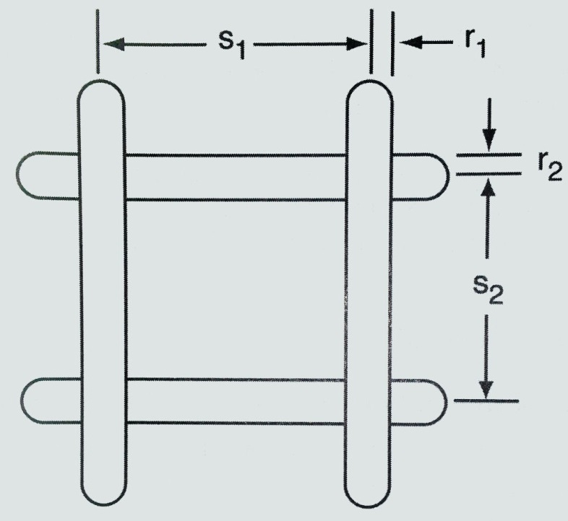
Wire Mesh Reflector Loss Calculator
 | W1GHZ | 2014

INPUT PARAMETERS
Frequency (GHz) | 8.415 | GHz

Mesh | Wire dia | Spacing
Horizontal | 1.78 | 7.94 | mm
Vertical | 1.78 | 10.16 | mm
Incidence Angle | 0 | degrees

Transmission Loss thru Mesh
Horizontal | 10.3 | dB
Vertical | 6.2 | dB
Diagonal | 5.1 | dB | W1GHZ approximation
 |  |  |  | r = radius = 1/2 diameter
Mesh Leakage |  |  |  | s is center to center spacing
Horizontal | 9.2%
Vertical | 24.0%
Diagonal | 31.1% |  | W1GHZ approximation
CP average (estimate) | 23.9% |  | W1GHZ approximation

Calculation area (leave alone)
Wavelength | 35.650623886 | mm
Incidence radians | 0 | radians

v1 | 0.68213056584
v2 | 0.85972309817
diagonal_spacing | 12.894541481 | mm

SOURCE:
Tom Y. Otoshi, “Noise Temperature Theory and Applications for Deep Space Communications Antenna Systems,” Artech, 2008, pp. 271-276

